1_Sign Up
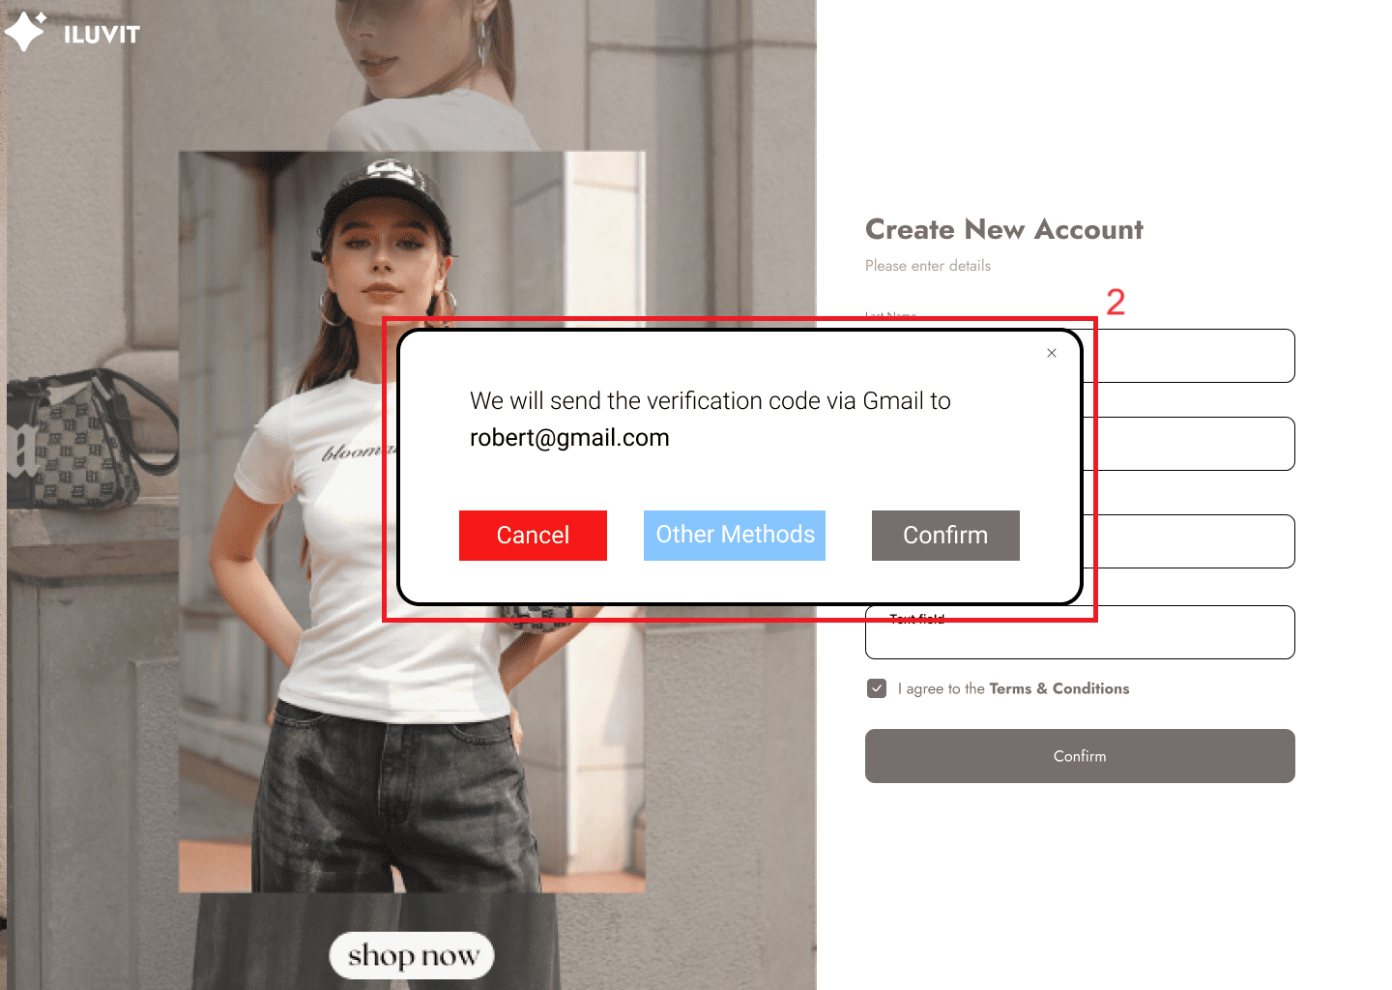
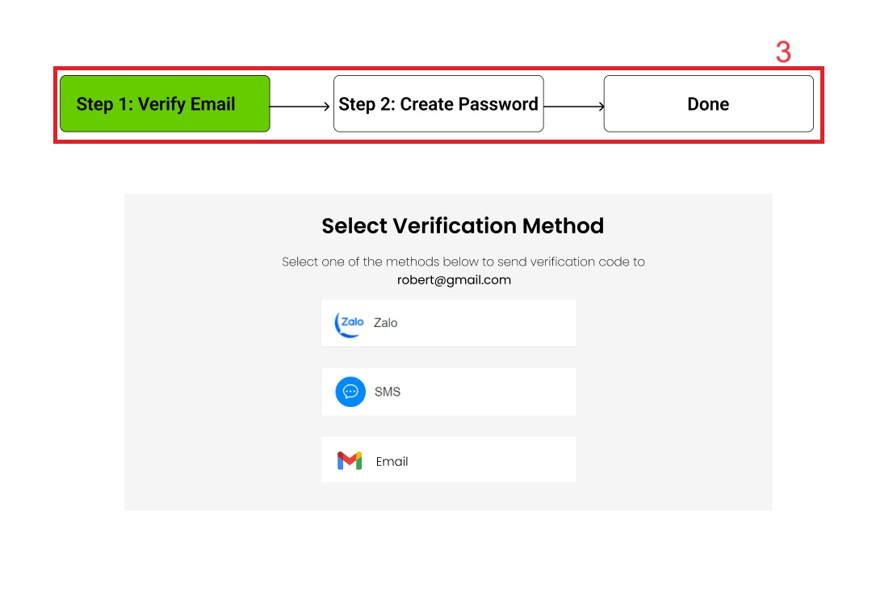
Project: |  | Version | 0.1 | Sprint | 2
Team: |  | Reviewed by
Document: | Principles | Approved by
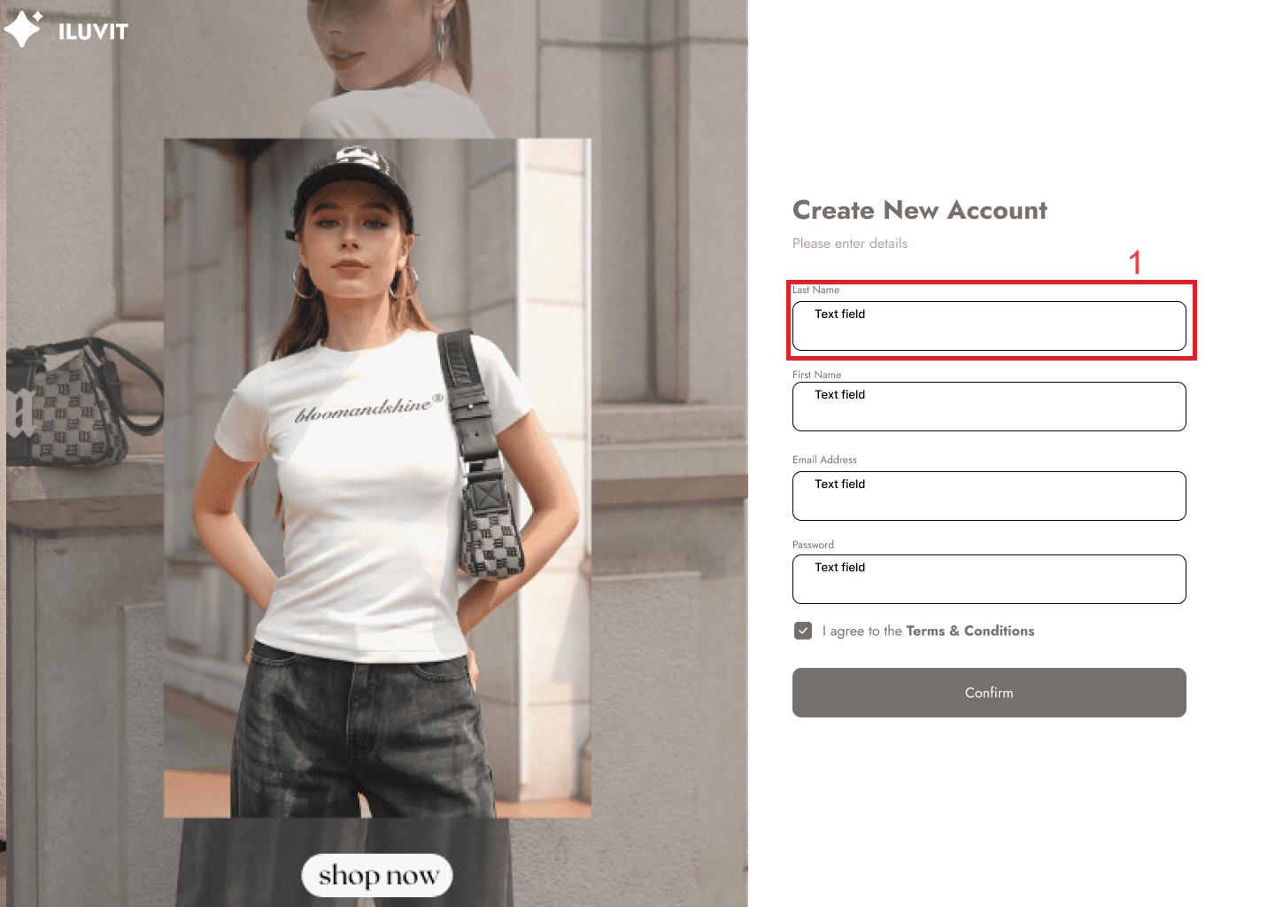
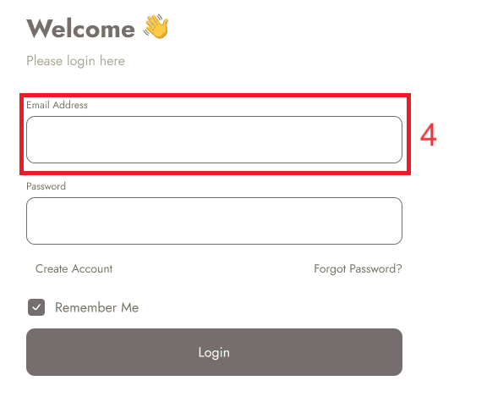
 |  |  |  |  |  | Principle | Number | Explanation
 |  |  |  |  |  | 1. Consistency | 1 | The arrangement so that the field name is above and the field to be filled in below() shows consistency with the Login page().
 |  |  |  |  |  | 2. Task Conformance | 3 | The account confirmation process by other means than email is displayed with minimal steps on the interface
 |  |  |  |  |  | 3. Dialog Initiative | 2 | When the user fills out all the information and clicks confirm, a verification code notification will be sent via email and also give the user a few more options to receive the code

4_Homepage
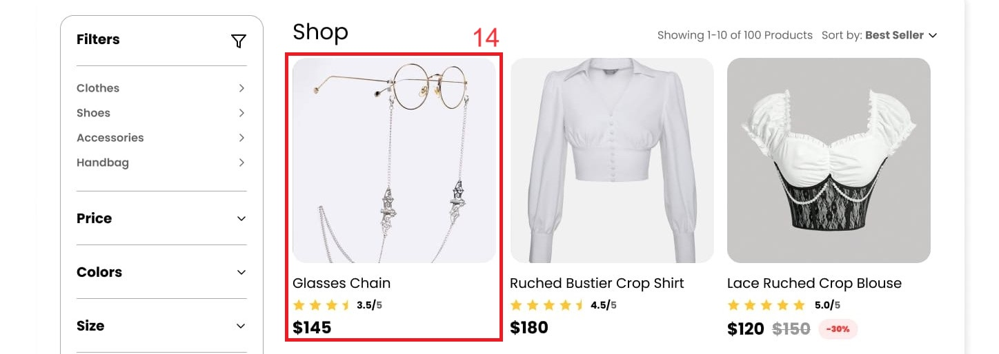
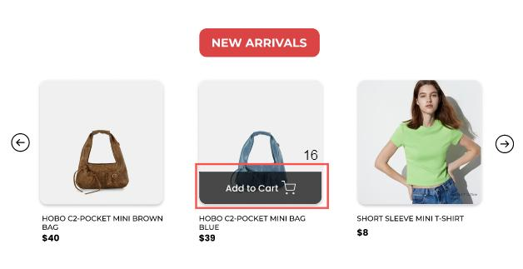
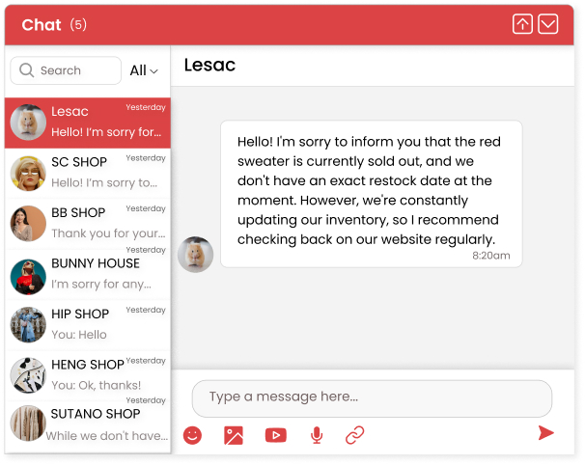
Project: |  | Version | 0.1 | Sprint | 2
Team: |  | Reviewed by
Document: | Principles | Approved by

 |  |  |  |  |  | Principle | Number | Explanation
 |  |  |  |  |  | 1. Familiarity | 2, 3, 4, 5 | We use familiar icons - the magnifying glass (2) for searching - the camera (3) for importing photos - the bell (4) for notifications - the shopping cart (5) for storing added products
 |  |  |  |  |  | 2. Predictability | 1, 7, 9, 12 | Users can guess: - the drop-down arrow (1) to list product types - the left arrow (7), and right arrow (8) to move left or right to see more products - the upward arrow (12) to move to the top of the page
 |  |  |  |  |  | 3. Consistency | 6, 8, 11, 14 | In the Homepage: between New Arrivals (9) and Special Sale (10): title bar at the top, followed by evenly sized images, product name in bold and price below Homepage (11) with Shop Page (6): use star symbol to express objective assessment of product quality and price shown in bold below
 |  |  |  |  |  | 4. Observability | 10 | The timer provides visual feedback on the time remaining in the event by displaying a countdown of days, hours, minutes, and seconds.
 |  |  |  |  |  | 5. Responsiveness | 16 | The "Add to Cart" button will appear as soon as the user hovers over the product.
 |  |  |  |  |  | 6. Multi-threading | 13 | When users perform actions on the Homepage, the chat message box still appears until they turn it off.

13_Chat with Seller
Project: |  | Version | 0.1 | Sprint | 2
Team: |  | Reviewed by
Document: | Principles | Approved by

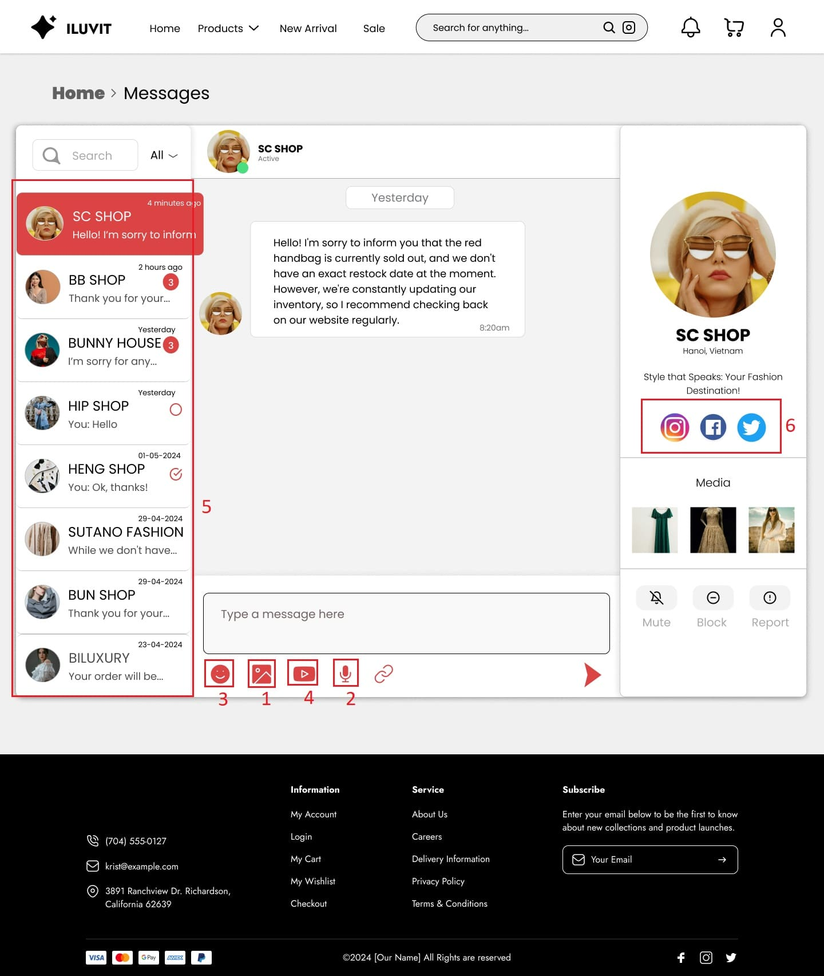
 |  |  |  |  |  | Principle | Number | Explanation
 |  |  |  |  |  | 1. Familiarity |  | We use familiar icons in chat such as: - (1) to send photos - (2) to send voice - (3) to send emoticons - (4) to send video
 |  |  |  |  |  | 2. Synthesisability |  | Users can see the people they have messaged before through the menu (5) on the left.
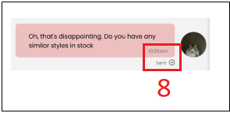
 |  |  |  |  |  | 3. Consistency |  | There is uniformity in displaying chat on the page and in the pop-up on the homepage
 |  |  |  |  |  | 4. Predictability |  | Users can predict that they will be redirected to other social sites when clicking on the icons (6)
 |  |  |  |  |  | 5. Task Migratability |  | The system checks spelling errors and recommends the correct word to the user (7)
 |  |  |  |  |  | 6. Responsiveness |  | When sending a message, users can view the status of the message (unsent, sent, viewed) through the icons (8).
 |  |  |  |  |  | 7. Observability |  | While entering text, the chat displays "..." (9) showing the user's texting process

14_Manage Cart
Project: |  | Version | 0.1 | Sprint | 2
Team: |  | Reviewed by
Document: | Principles | Approved by
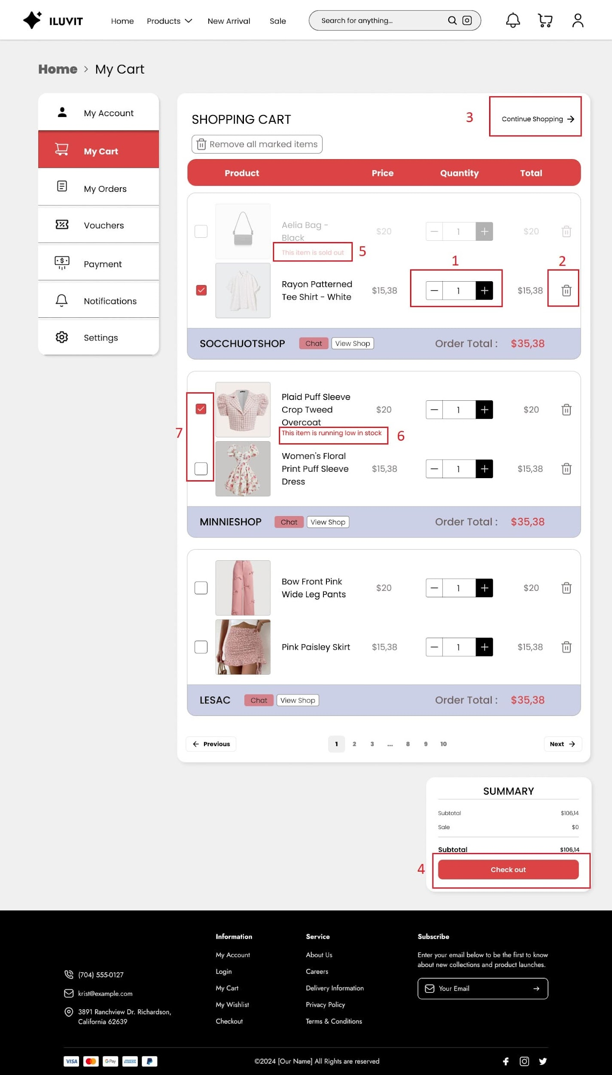
 |  |  |  |  |  | Principle | Number | Explanation
 |  |  |  |  |  | 1. Familiarity |  | THe design use "+", "-" (1) to add or remove products and trash(2) to delete products
 |  |  |  |  |  | 2. Predictability |  | We use familiar words that other shopping sites often have such as "Continue Shopping"(3) to return to the Products Page and "Check out"(4) to move to the order payment process so that users can easily guess.
 |  |  |  |  |  | 3. Observability |  | Display a notification to let users know the status of the product when it is out of stock (5) or in low quantity(6)
 |  |  |  |  |  | 4. Responsiveness |  | When you click on the box at the top of the product, a tick mark (7) appears to mark the selection of that product
 |  |  |  |  |  | 5. Consistency |  | The way product information is displayed in the shopping cart is consistent with the Payment page including images, product names, the price of each product, quantity, and total amount.

40_View Users
Project: |  | Version | 0.1 | Sprint | 2
Team: |  | Reviewed by
Document: | Principles | Approved by
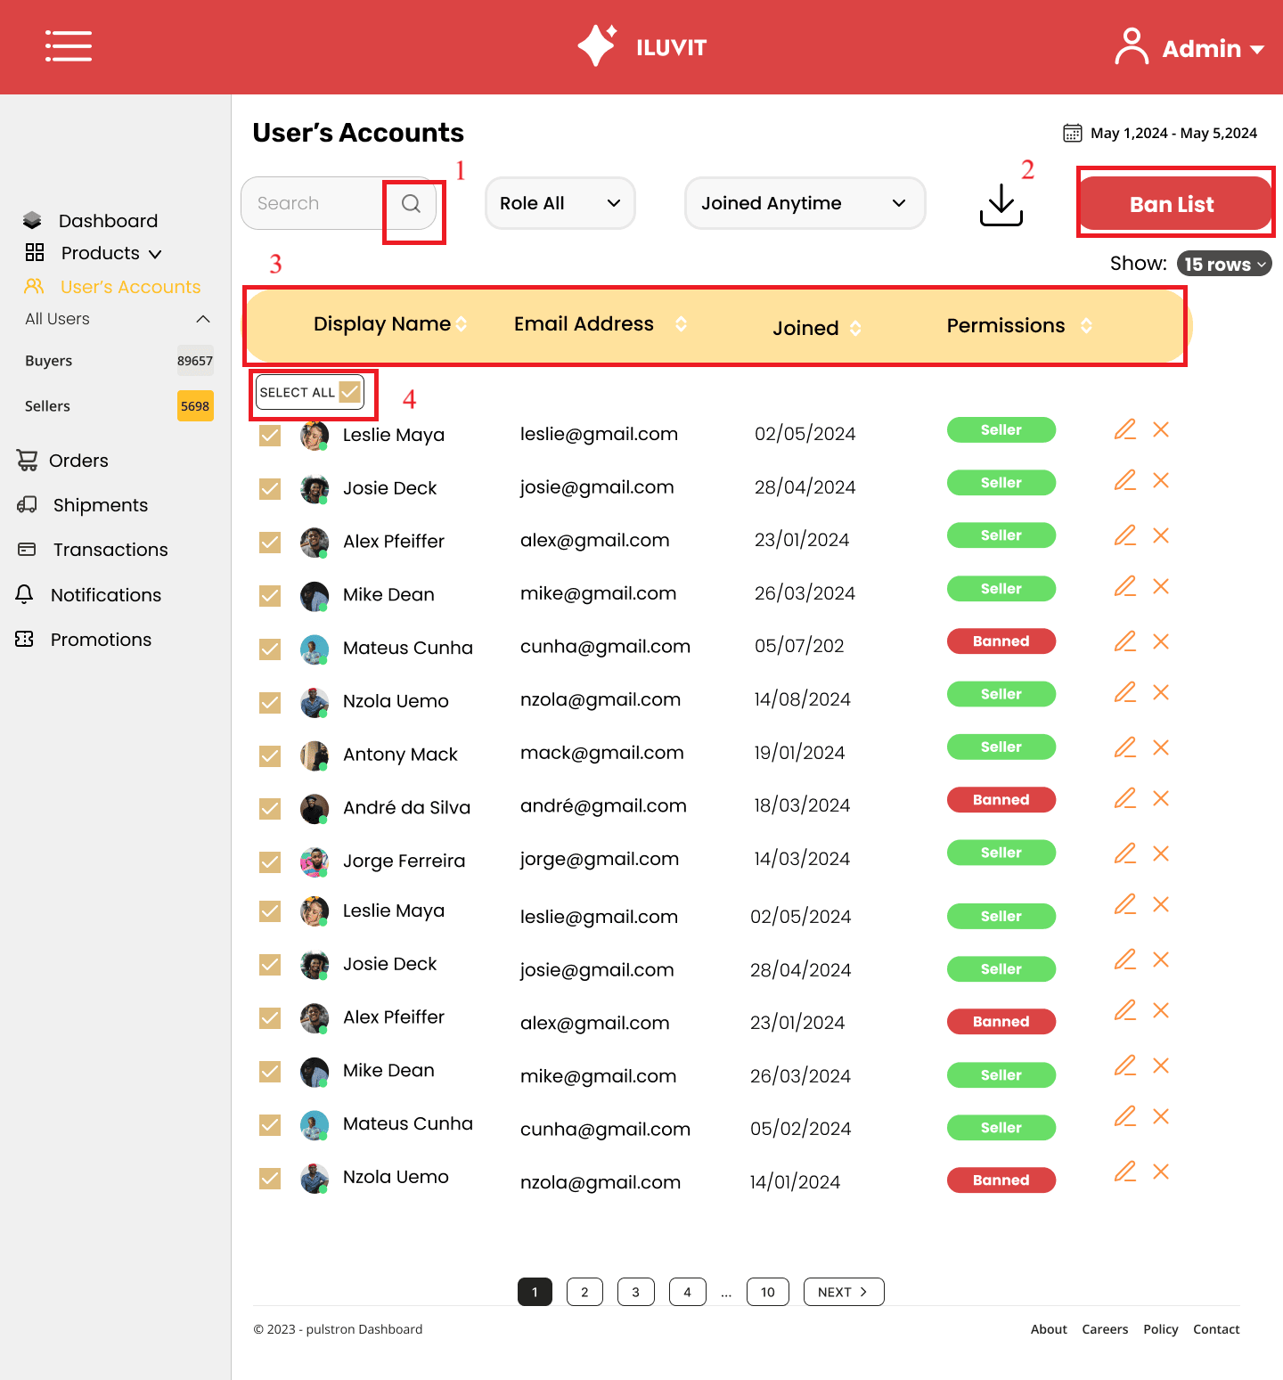
 |  |  |  |  |  | Principle | Number | Explanation
 |  |  |  |  |  | 1. Familiarity | 1 | The design uses a magnifying glass icon for searching
 |  |  |  |  |  | 2. Predictability | 2 | Admin easily guesses that if the "Ban List" button is pressed, all selected users will be banned
 |  |  |  |  |  | 3. Consistency | 3 | The site maintains consistency by posting messages in a uniform format: name, address, joined date, and permission
 |  |  |  |  |  | 4. Task Migratability | 4 | Admin just needs to click one and then click select all, instead of checking each one individually

